HistogramData
RAW DATA
Cluster Size | 1 (Uniform) | 2 (Uniform) | 3 (Uniform) | 6 (Uniform) | 1 (Weighted) | 2 (Weighted) | 3 (Weighted) | 6 (Weighted) | Cluster Size | 1 (Uniform) | 2 (Uniform) | 3 (Uniform) | 6 (Uniform) | 1 (Weighted) | 2 (Weighted) | 3 (Weighted) | 6 (Weighted)
 | 6 | 6 | 4 | 7 | 9.00 | 5 | 4 | 4 | Min Freq | 1 | 0 | 1 | 0 | 2 | 0 | 0 | 0
 | 7 | 4 | 6 | 5 | 6.00 | 4 | 4 | 8 | Max Freq | 13 | 12 | 16 | 16 | 14 | 12 | 10 | 13
 | 7 | 6 | 8 | 6 | 7.00 | 6 | 3 | 5
 | 7 | 5 | 8 | 5 | 7.00 | 6 | 4 | 5 | Frequency | 1 (Uniform) | 2 (Uniform) | 3 (Uniform) | 6 (Uniform) | 1 (Weighted) | 2 (Weighted) | 3 (Weighted) | 6 (Weighted)
 | 5 | 6 | 7 | 7 | 9.00 | 7 | 2 | 5 | 0 | 0 | 1 | 0 | 9 | 0 | 7 | 7 | 1
 | 4 | 4 | 4 | 4 | 5.00 | 4 | 3 | 4 | 1 | 7 | 39 | 7 | 51 | 0 | 41 | 73 | 23
 | 3 | 7 | 5 | 4 | 8.00 | 5 | 2 | 3 | 2 | 41 | 227 | 78 | 204 | 21 | 230 | 386 | 188
 | 8 | 5 | 7 | 6 | 11.00 | 8 | 5 | 7 | 3 | 240 | 654 | 290 | 467 | 91 | 504 | 894 | 512
 | 7 | 7 | 8 | 6 | 8.00 | 5 | 4 | 7 | 4 | 669 | 1146 | 645 | 749 | 345 | 865 | 1284 | 971
 | 5 | 4 | 4 | 4 | 7.00 | 5 | 2 | 3 | 5 | 978 | 1168 | 1027 | 1004 | 681 | 1108 | 1135 | 1114
 | 7 | 6 | 3 | 4 | 8.00 | 7 | 5 | 7 | 6 | 1163 | 987 | 1057 | 1013 | 956 | 970 | 706 | 929
 | 3 | 5 | 5 | 4 | 6.00 | 7 | 5 | 2 | 7 | 951 | 499 | 856 | 736 | 1079 | 661 | 343 | 661
 | 3 | 4 | 6 | 5 | 4.00 | 5 | 2 | 4 | 8 | 586 | 192 | 571 | 444 | 868 | 379 | 123 | 350
 | 5 | 5 | 4 | 4 | 6.00 | 7 | 4 | 4 | 9 | 234 | 60 | 303 | 214 | 529 | 160 | 41 | 165
 | 7 | 5 | 5 | 7 | 6.00 | 5 | 2 | 4 | 10 | 106 | 23 | 130 | 83 | 275 | 54 | 8 | 63
 | 9 | 5 | 6 | 5 | 7.00 | 4 | 5 | 4 | 11 | 20 | 3 | 31 | 24 | 110 | 17 | 0 | 18
 | 5 | 6 | 6 | 7 | 6.00 | 7 | 2 | 7 | 12 | 1 | 1 | 4 | 1 | 35 | 4 | 0 | 4
 | 8 | 3 | 8 | 8 | 8.00 | 7 | 5 | 7 | 13 | 4 | 0 | 0 | 0 | 9 | 0 | 0 | 1
 | 7 | 6 | 9 | 6 | 7.00 | 4 | 7 | 4 | 14 | 0 | 0 | 0 | 1 | 1 | 0 | 0 | 0
 | 7 | 6 | 8 | 7 | 7.00 | 6 | 6 | 5 | 15 | 0 | 0 | 0 | 0 | 0 | 0 | 0 | 0
 | 3 | 3 | 4 | 2 | 5.00 | 4 | 3 | 2 | 16 | 0 | 0 | 1 | 0 | 0 | 0 | 0 | 0
 | 8 | 5 | 5 | 8 | 7.00 | 7 | 5 | 9 | SUM | 5000 | 5000 | 5000 | 5000 | 5000 | 5000 | 5000 | 5000
 | 9 | 8 | 8 | 6 | 10.00 | 10 | 6 | 7 | MEANS | 6.0296 | 4.929 | 6.0164 | 5.5408 | 6.921 | 5.3414 | 4.4816 | 5.3528
 | 10 | 7 | 9 | 7 | 8.00 | 6 | 6 | 8 | VAR | 2.8945027405 | 2.5668723745 | 3.3215953591 | 3.6962746149 | 3.4410472094 | 3.3891238648 | 2.4753565113 | 3.2661853971
Synaptic Cluster Size: 1 (Uniform)
Synaptic Cluster Size: 1 (Weighted)
Synaptic Cluster Size: 1 (Uniform)
Synaptic Cluster Size: 2 (Uniform)
Synaptic Cluster Size: 3 (Uniform)
Synaptic Cluster Size: 6 (Uniform)
 | 6 | 7 | 6 | 6 | 9.00 | 9 | 3 | 6
 | 5 | 3 | 3 | 4 | 3.00 | 2 | 1 | 3
 | 4 | 1 | 3 | 4 | 6.00 | 2 | 4 | 3
 | 7 | 4 | 5 | 6 | 7.00 | 4 | 6 | 7
 | 7 | 8 | 7 | 6 | 8.00 | 5 | 7 | 8
 | 8 | 6 | 8 | 5 | 7.00 | 6 | 5 | 7
 | 6 | 6 | 3 | 4 | 5.00 | 2 | 2 | 5
 | 3 | 6 | 6 | 3 | 7.00 | 3 | 2 | 5
 | 7 | 3 | 5 | 4 | 5.00 | 4 | 3 | 5
 | 3 | 4 | 4 | 2 | 3.00 | 2 | 1 | 3
 | 5 | 5 | 5 | 3 | 8.00 | 5 | 4 | 4
 | 9 | 7 | 5 | 8 | 8.00 | 6 | 5 | 7
 | 6 | 5 | 6 | 3 | 4.00 | 4 | 4 | 4
Synaptic Cluster Size: 2 (Uniform)
Synaptic Cluster Size: 2 (Weighted)
 | 5 | 6 | 7 | 6 | 7.00 | 7 | 6 | 5
Synaptic Cluster Size: 1 (Weighted)
Synaptic Cluster Size: 2 (Weighted)
Synaptic Cluster Size: 3 (Weighted)
Synaptic Cluster Size: 6 (Weighted)
 | 8 | 7 | 8 | 5 | 7.00 | 7 | 4 | 5
 | 7 | 6 | 6 | 4 | 9.00 | 4 | 3 | 5
 | 5 | 7 | 4 | 8 | 7.00 | 5 | 6 | 6
 | 6 | 4 | 5 | 3 | 8.00 | 3 | 6 | 6
 | 4 | 2 | 4 | 5 | 4.00 | 4 | 3 | 5
 | 8 | 8 | 7 | 10 | 11.00 | 10 | 7 | 7
 | 5 | 4 | 5 | 6 | 7.00 | 4 | 4 | 4
 | 9 | 6 | 6 | 7 | 9.00 | 8 | 6 | 6
 | 6 | 5 | 5 | 5 | 9.00 | 4 | 4 | 7
 | 6 | 3 | 4 | 6 | 6.00 | 5 | 4 | 6
 | 7 | 5 | 5 | 6 | 6.00 | 6 | 5 | 6
 | 8 | 6 | 7 | 9 | 9.00 | 7 | 5 | 8
Synaptic Cluster Size: 3 (Uniform)
Synaptic Cluster Size: 3 (Weighted)
 | 8 | 6 | 5 | 3 | 6.00 | 5 | 6 | 6
 | 3 | 1 | 5 | 2 | 5.00 | 3 | 4 | 4
 | 5 | 3 | 5 | 5 | 4.00 | 4 | 3 | 5
 | 7 | 4 | 9 | 7 | 7.00 | 5 | 3 | 4
 | 7 | 3 | 6 | 6 | 6.00 | 5 | 5 | 3
Somatic Output With Uniform Clustering
Somatic Output With Weighted Clustering (Favoring the Soma)
 | 6 | 4 | 5 | 6 | 6.00 | 4 | 5 | 4
 | 8 | 6 | 8 | 4 | 7.00 | 7 | 6 | 6
 | 7 | 5 | 7 | 2 | 7.00 | 4 | 3 | 5
 | 7 | 7 | 9 | 7 | 7.00 | 6 | 5 | 5
 | 7 | 6 | 9 | 5 | 11.00 | 7 | 5 | 10
 | 5 | 8 | 9 | 8 | 7.00 | 6 | 4 | 5
 | 6 | 4 | 8 | 8 | 6.00 | 7 | 5 | 4
 | 4 | 2 | 4 | 4 | 4.00 | 3 | 2 | 7
Synaptic Cluster Size: 6 (Uniform)
Synaptic Cluster Size: 6 (Weighted)
 | 4 | 5 | 7 | 5 | 9.00 | 8 | 5 | 8
 | 6 | 3 | 6 | 6 | 7.00 | 5 | 4 | 7
 | 4 | 3 | 5 | 7 | 6.00 | 4 | 3 | 3
 | 2 | 3 | 1 | 1 | 4.00 | 2 | 3 | 1
 | 6 | 7 | 7 | 8 | 10.00 | 5 | 4 | 9
 | 6 | 5 | 4 | 6 | 7.00 | 6 | 3 | 3
 | 4 | 4 | 8 | 4 | 6.00 | 6 | 3 | 3
 | 8 | 5 | 8 | 8 | 8.00 | 5 | 5 | 7
 | 1 | 2 | 5 | 3 | 2.00 | 4 | 3 | 2
 | 6 | 7 | 8 | 6 | 10.00 | 9 | 5 | 5
 | 6 | 5 | 5 | 4 | 7.00 | 5 | 3 | 6
 | 5 | 3 | 4 | 6 | 5.00 | 4 | 4 | 4
 | 4 | 4 | 5 | 6 | 8.00 | 2 | 2 | 4
 | 8 | 4 | 7 | 9 | 9.00 | 5 | 7 | 5
 | 10 | 8 | 10 | 6 | 10.00 | 7 | 7 | 5
 | 7 | 1 | 3 | 5 | 6.00 | 6 | 3 | 7
 | 4 | 4 | 4 | 5 | 6.00 | 6 | 3 | 4
 | 6 | 3 | 6 | 4 | 7.00 | 5 | 5 | 3
 | 5 | 4 | 3 | 5 | 5.00 | 2 | 4 | 3
 | 5 | 4 | 6 | 3 | 6.00 | 4 | 6 | 6
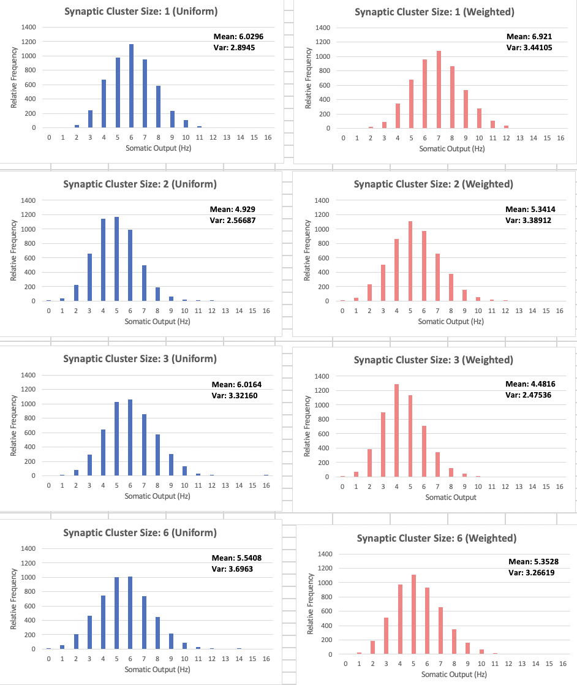
 | 5 | 6 | 6 | 6 | 7.00 | 8 | 4 | 6
 | 7 | 5 | 3 | 4 | 6.00 | 7 | 1 | 3
 | 6 | 6 | 9 | 7 | 5.00 | 7 | 4 | 8
 | 9 | 6 | 9 | 8 | 11.00 | 6 | 8 | 6
 | 7 | 6 | 5 | 6 | 8.00 | 4 | 6 | 7
 | 8 | 4 | 4 | 4 | 6.00 | 5 | 4 | 5
 | 7 | 5 | 3 | 5 | 8.00 | 4 | 2 | 5
 | 4 | 5 | 8 | 5 | 9.00 | 6 | 5 | 4
 | 5 | 3 | 5 | 4 | 4.00 | 5 | 3 | 5
 | 7 | 7 | 10 | 5 | 9.00 | 8 | 4 | 3
 | 4 | 3 | 6 | 4 | 4.00 | 5 | 3 | 2
 | 7 | 3 | 4 | 4 | 5.00 | 5 | 3 | 3
 | 4 | 4 | 5 | 8 | 8.00 | 7 | 4 | 2
 | 4 | 3 | 4 | 4 | 7.00 | 2 | 5 | 6
 | 5 | 3 | 4 | 5 | 5.00 | 4 | 5 | 5
 | 2 | 4 | 5 | 7 | 7.00 | 3 | 0 | 3
 | 5 | 6 | 5 | 7 | 5.00 | 5 | 5 | 7
 | 4 | 3 | 5 | 4 | 4.00 | 6 | 5 | 5
 | 7 | 4 | 7 | 5 | 5.00 | 6 | 6 | 6
 | 5 | 4 | 3 | 6 | 7.00 | 5 | 5 | 2
 | 7 | 4 | 7 | 5 | 8.00 | 7 | 6 | 3
 | 6 | 4 | 6 | 5 | 7.00 | 5 | 3 | 3
 | 1 | 4 | 4 | 5 | 4.00 | 5 | 2 | 3
 | 3 | 4 | 6 | 7 | 9.00 | 6 | 4 | 4
 | 6 | 5 | 8 | 5 | 7.00 | 5 | 4 | 9
 | 4 | 5 | 4 | 5 | 3.00 | 3 | 4 | 2
 | 6 | 7 | 6 | 6 | 5.00 | 3 | 4 | 6
 | 3 | 2 | 3 | 3 | 6.00 | 5 | 2 | 3
 | 7 | 6 | 6 | 5 | 11.00 | 6 | 7 | 5
 | 7 | 6 | 6 | 5 | 7.00 | 4 | 6 | 7
 | 5 | 4 | 6 | 4 | 7.00 | 7 | 4 | 3
 | 8 | 7 | 9 | 7 | 8.00 | 8 | 4 | 9
 | 4 | 5 | 7 | 3 | 7.00 | 4 | 2 | 4
 | 9 | 7 | 9 | 8 | 8.00 | 7 | 6 | 4
 | 8 | 9 | 9 | 5 | 10.00 | 4 | 6 | 6
 | 7 | 6 | 7 | 5 | 7.00 | 4 | 4 | 7
 | 9 | 6 | 8 | 7 | 7.00 | 7 | 3 | 9
 | 8 | 6 | 7 | 9 | 10.00 | 7 | 7 | 8
 | 4 | 2 | 5 | 5 | 3.00 | 3 | 3 | 4
 | 7 | 2 | 4 | 2 | 4.00 | 3 | 5 | 4
 | 5 | 2 | 3 | 5 | 6.00 | 5 | 5 | 7
 | 2 | 5 | 2 | 4 | 4.00 | 3 | 3 | 4
 | 7 | 8 | 10 | 9 | 11.00 | 9 | 6 | 11
 | 6 | 5 | 5 | 8 | 8.00 | 4 | 5 | 4
 | 9 | 7 | 6 | 8 | 7.00 | 6 | 4 | 4
 | 7 | 6 | 6 | 6 | 5.00 | 5 | 6 | 7
 | 7 | 8 | 8 | 7 | 7.00 | 5 | 3 | 7
 | 5 | 6 | 7 | 3 | 5.00 | 3 | 5 | 4
 | 6 | 5 | 7 | 8 | 7.00 | 6 | 6 | 9
 | 6 | 4 | 8 | 6 | 10.00 | 8 | 5 | 8
 | 4 | 3 | 5 | 4 | 5.00 | 2 | 2 | 5
 | 6 | 4 | 4 | 4 | 8.00 | 4 | 6 | 5
 | 7 | 5 | 5 | 6 | 6.00 | 4 | 6 | 5
 | 6 | 6 | 5 | 4 | 9.00 | 7 | 6 | 6
 | 4 | 3 | 6 | 6 | 7.00 | 4 | 4 | 4
 | 7 | 4 | 6 | 6 | 9.00 | 4 | 3 | 3
 | 7 | 5 | 7 | 6 | 6.00 | 4 | 3 | 4
 | 6 | 5 | 6 | 5 | 5.00 | 5 | 7 | 8
 | 5 | 4 | 7 | 6 | 9.00 | 8 | 6 | 4
 | 10 | 7 | 8 | 9 | 6.00 | 8 | 6 | 8
 | 7 | 6 | 5 | 4 | 8.00 | 8 | 7 | 2
 | 8 | 4 | 10 | 6 | 5.00 | 6 | 7 | 7
 | 4 | 2 | 6 | 6 | 7.00 | 2 | 4 | 2
 | 4 | 5 | 3 | 7 | 5.00 | 5 | 4 | 4
 | 8 | 6 | 5 | 5 | 9.00 | 7 | 6 | 5
 | 7 | 4 | 6 | 8 | 7.00 | 4 | 4 | 2
 | 8 | 3 | 9 | 9 | 7.00 | 5 | 5 | 6
 | 4 | 5 | 6 | 5 | 7.00 | 5 | 3 | 2
 | 3 | 4 | 2 | 3 | 4.00 | 3 | 3 | 6
 | 8 | 6 | 7 | 6 | 7.00 | 7 | 6 | 4
 | 5 | 5 | 6 | 5 | 7.00 | 3 | 7 | 8
 | 8 | 3 | 4 | 5 | 7.00 | 6 | 5 | 4
 | 9 | 4 | 7 | 5 | 9.00 | 6 | 5 | 5
 | 5 | 2 | 4 | 6 | 5.00 | 2 | 4 | 8
 | 9 | 4 | 8 | 7 | 8.00 | 6 | 4 | 6
 | 7 | 5 | 8 | 7 | 11.00 | 7 | 5 | 7
 | 7 | 9 | 9 | 5 | 10.00 | 9 | 8 | 6
 | 6 | 5 | 6 | 4 | 6.00 | 4 | 5 | 7
 | 6 | 6 | 8 | 6 | 6.00 | 6 | 4 | 6
 | 5 | 4 | 3 | 3 | 9.00 | 6 | 1 | 4
 | 5 | 6 | 8 | 7 | 9.00 | 5 | 4 | 5
 | 6 | 6 | 8 | 7 | 8.00 | 6 | 4 | 3
 | 6 | 4 | 7 | 5 | 6.00 | 3 | 4 | 5
 | 6 | 4 | 6 | 5 | 7.00 | 6 | 4 | 4
 | 5 | 3 | 6 | 7 | 6.00 | 4 | 3 | 3
 | 6 | 6 | 5 | 6 | 7.00 | 4 | 4 | 5
 | 11 | 8 | 8 | 9 | 11.00 | 6 | 5 | 7
 | 4 | 4 | 4 | 4 | 7.00 | 4 | 5 | 6
 | 8 | 10 | 7 | 11 | 13.00 | 11 | 9 | 8
 | 5 | 8 | 6 | 5 | 9.00 | 8 | 5 | 10
 | 6 | 7 | 3 | 8 | 7.00 | 5 | 3 | 5
...

